Dashboard
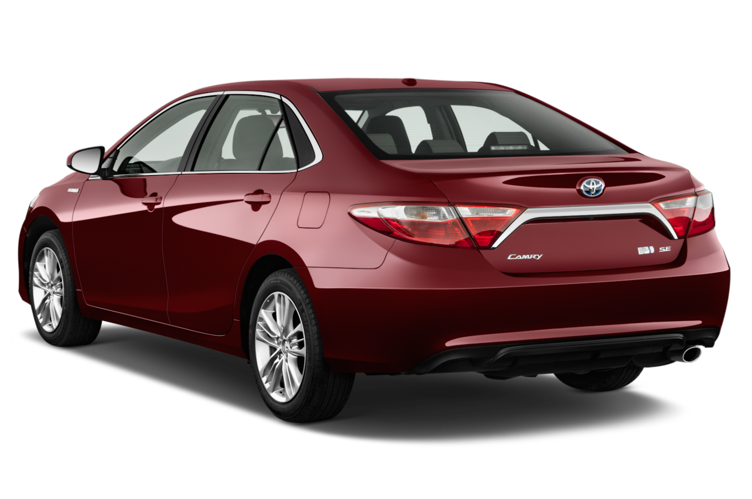
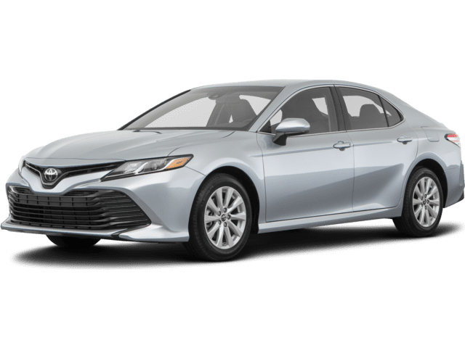

Nigerian Car Market

Average Vehicle Metrix : Nigerian Car Market

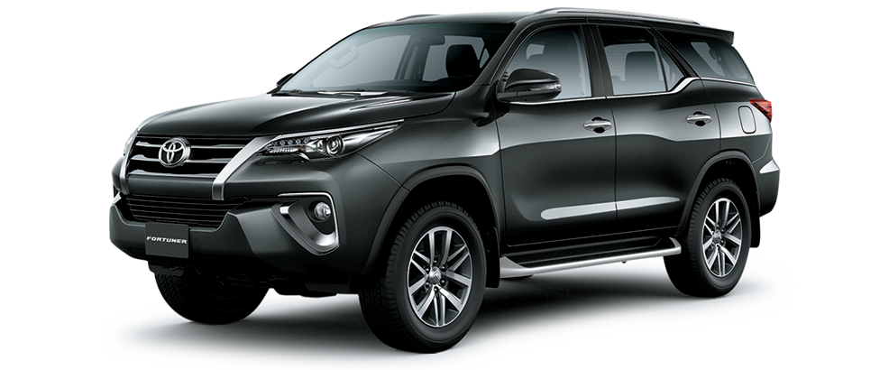
₦5.0M
28.4K
217
3.1K

Price
Milege
HorsePower
Engine

